Raw Line Loss
Airflow, cfm | log10(airflow) | Loss, inWater/100 feet | log10(loss) | effective length of our system ~ 100 feet, by chance
20 | 1.3010299957 | 0.01 | -2
200 | 2.3010299957 | 0.8 | -0.096910013008
320 | 2.5051499783 | 2 | 0.30102999566
800 | 2.903089987 | 10 | 1

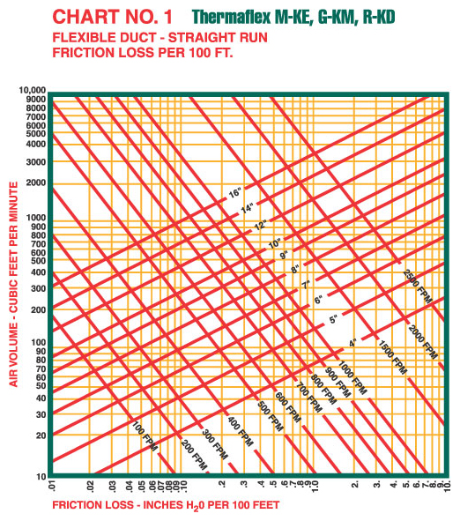

log10(p)= | 1.882 | log10(w) + | -4.4384

Raw Fan Flow
q, cfm | p, inWater | pfit | speed=100%
0 | 1.9 | 1.90 | temp=75 F |  | most likely |  | Our conditions ~ 75 F too
70 | 1.4 | 1.37
80 | 1.3 | 1.31
100 | 1.2 | 1.21
125 | 1.1 | 1.12
150 | 1.04 | 1.05
175 | 1 | 0.98
200 | 0.92 | 0.89
225 | 0.8 | 0.78
250 | 0.6 | 0.63
275 | 0.41 | 0.45
300 | 0.26 | 0.25
325 | 0.13 | 0.09
350 | 0 | 0.02

p= | 3.31E-12 | q^5 + | -2.50E-09 | q^4+ | 5.60E-07 | q^3 + | -2.38E-05 | q^2 + | -7.93E-03 | q + | 1.9028

Model
p(fan)= (N/100)^2 * ( | 3.3095E-12 | q^5 + | -2.5035E-09 | q^4+ | 5.5959E-07 | q^3 + | -0.000023805 | q^2 + | -0.0079313 | q + | 1.9028 |  | )
p(duct)=10^( | 1.882 | log10(w) + | -4.4384 | ) |  |  |  |  |  |  |  |  |  |  |  | Red=Reynolds number duct = rho*u*d/mu | calc
q(N)= | -0.005153 | N^2 + | 2.62164 |  |  |  |  |  |  |  |  |  |  |  |  | mu=fluid viscocity = 1.81e-5 kg/m/s = | 0.04379 | lbm/ft/hr
 |  |  |  |  |  |  |  |  |  |  |  |  |  |  |  | u=fluid velocity = Q/Ax, ft/hr | calc
N | q, cfm | p(fan), inH20 | p(duct) | dp | qmodel, cfm | dq/dN | u, ft/hr | Red | f | Nuo | hfi, BTU/hr/ft^2/F | hfo, BTU/hr/ft^2/F | log10(Red) | log10(hfi) | log10(hfo) | Ax = duct cross section = pi*d^2, ft^2= | 0.19634954085 | ft^2
0 | 0.0 | 0.00E+00 | 1.08E-12 | -1.0804383724E-12 | 0.0 | 2.62 | 0.03 | 0.025784627273 | 0.048735073287 |  |  |  |  |  |  | Q = air flow cfm | calc
5 | 12.9 | 4.49E-03 | 4.49E-03 | -3.4444191744E-09 | 13.0 | 2.57 | 3946.24 | 3329.8385405 | 0.043997719674 | 11.260606259 | 12.386666885 | 49.546667539 | 3.5224231756 | 1.0929544582 | 1.6950144496 | d = duct diameter, ft | 0.5
10 | 26.1 | 1.69E-02 | 1.69E-02 | -1.6999473093E-08 | 25.7 | 2.52 | 7973.37 | 6727.9327017 | 0.035291838778 | 21.668607658 | 23.835468424 | 95.341873695 | 3.8278816386 | 1.3772236913 | 1.9792836826 | rho=air density = | 0.0739 | lbm/ft^3
15 | 38.8 | 3.57E-02 | 3.57E-02 | 8.3686088684E-09 | 38.2 | 2.47 | 11867.61 | 10013.885723 | 0.031467560949 | 30.056151195 | 33.061766315 | 132.24706526 | 4.000602631 | 1.5193260519 | 2.1213860432
 | log10(hfi)
3.5224231756 | 1.0929544582
3.8278816386 | 1.3772236913
4.000602631 | 1.5193260519
4.1195898644 | 1.6138802961
4.209727105 | 1.6844710405
4.2821037468 | 1.740745301
4.3425971816 | 1.7875997898
4.3946636202 | 1.8278432362
4.4404695184 | 1.8632093839
4.4814273175 | 1.8948173307
4.5184699546 | 1.9234013353
4.5522128656 | 1.9494433947
4.5830541807 | 1.9732539701
4.6112477391 | 1.9950299649
4.6369641372 | 2.0149027006
4.6603357074 | 2.0329731624
4.6814913771 | 2.0493392974
4.7005709286 | 2.0641073141
4.717734112 | 2.07739894
4.7331512802 | 2.0893443089
20 | 51.1 | 5.98E-02 | 5.98E-02 | 5.472611668E-08 | 50.4 | 2.42 | 15608.11 | 13170.124014 | 0.029183535503 | 37.366946564 | 41.10364122 | 164.41456488 | 4.1195898644 | 1.6138802961 | 2.2159402875
25 | 62.9 | 8.83E-02 | 8.83E-02 | 7.0165377966E-08 | 62.3 | 2.36 | 19208.24 | 16207.913303 | 0.027614874172 | 43.96209246 | 48.358301706 | 193.43320682 | 4.209727105 | 1.6844710405 | 2.2865310318 | Pr=Prandtl number = mu*cp/k | 0.71
30 | 74.3 | 1.21E-01 | 1.21E-01 | -1.0767557944E-07 | 74.0 | 2.31 | 22691.55 | 19147.132681 | 0.026445071805 | 50.044069184 | 55.048476103 | 220.19390441 | 4.2821037468 | 1.740745301 | 2.3428052923 | cp=specific heat, Btu/lbm/F
35 | 85.4 | 1.57E-01 | 1.57E-01 | 5.9033739286E-09 | 85.4 | 2.26 | 26083.01 | 22008.841442 | 0.025523432536 | 55.745152084 | 61.319667293 | 245.27866917 | 4.3425971816 | 1.7875997898 | 2.3896597811 | k=thermal conductivity, Btu/(hr-ft^2-F/ft)
40 | 96.2 | 1.97E-01 | 1.97E-01 | -1.0017595006E-07 | 96.6 | 2.21 | 29405.20 | 24812.105563 | 0.024768221515 | 61.15761646 | 67.273378106 | 269.09351243 | 4.3946636202 | 1.8278432362 | 2.4299032275
45 | 106.9 | 2.40E-01 | 2.40E-01 | 1.9062182874E-07 | 107.5 | 2.16 | 32676.09 | 27572.079266 | 0.024131193385 | 66.346298562 | 72.980928418 | 291.92371367 | 4.4404695184 | 1.8632093839 | 2.4652693752 | Dittus Boelter Equation
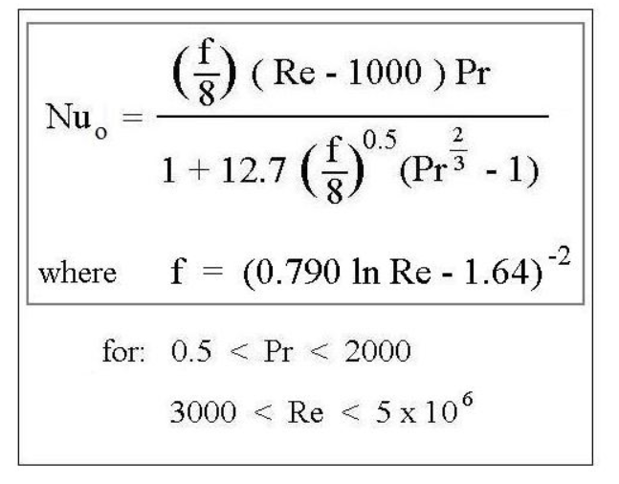
50 | 117.5 | 2.87E-01 | 2.87E-01 | -1.0717736476E-07 | 118.2 | 2.11 | 35907.72 | 30298.931795 | 0.023582172912 | 71.35503863 | 78.490542493 | 313.96216997 | 4.4814273175 | 1.8948173307 | 2.4968773221
55 | 128.0 | 3.37E-01 | 3.37E-01 | 1.0624350616E-07 | 128.6 | 2.05 | 39104.83 | 32996.657936 | 0.023101610298 | 76.209418908 | 83.830360799 | 335.3214432 | 4.5184699546 | 1.9234013353 | 2.5254613267
60 | 138.3 | 3.90E-01 | 3.90E-01 | 2.0721312327E-07 | 138.7 | 2.00 | 42264.27 | 35662.588762 | 0.022676526945 | 80.919037717 | 89.010941489 | 356.04376596 | 4.5522128656 | 1.9494433947 | 2.551503386
65 | 148.5 | 4.45E-01 | 4.45E-01 | -4.6985782498E-07 | 148.6 | 1.95 | 45374.80 | 38287.250583 | 0.02229817678 | 85.479364535 | 94.027300989 | 376.10920395 | 4.5830541807 | 1.9732539701 | 2.5753139614
70 | 158.4 | 5.03E-01 | 5.03E-01 | -2.6762268557E-07 | 158.3 | 1.90 | 48418.16 | 40855.237459 | 0.021960532042 | 89.874664 | 98.8621304 | 395.4485216 | 4.6112477391 | 1.9950299649 | 2.5970899563
75 | 168.1 | 5.63E-01 | 5.63E-01 | -1.0818251717E-07 | 167.6 | 1.85 | 51371.78 | 43347.508179 | 0.021659197153 | 94.08275265 | 103.49102792 | 413.96411166 | 4.6369641372 | 2.0149027006 | 2.6169626919
80 | 177.4 | 6.23E-01 | 6.23E-01 | 7.1864342943E-07 | 176.8 | 1.80 | 54212.10 | 45744.1653 | 0.021390685542 | 98.080004541 | 107.88800499 | 431.55201998 | 4.6603357074 | 2.0329731624 | 2.6350331538
85 | 186.3 | 6.82E-01 | 6.82E-01 | -1.2097468901E-06 | 185.6 | 1.75 | 56918.29 | 48027.654429 | 0.021151914282 | 101.84661805 | 112.03127985 | 448.12511941 | 4.6814913771 | 2.0493392974 | 2.6513992887
90 | 194.6 | 7.41E-01 | 7.41E-01 | -4.577197974E-07 | 194.2 | 1.69 | 59474.59 | 50184.653348 | 0.020939986996 | 105.36942957 | 115.90637253 | 463.62549011 | 4.7005709286 | 2.0641073141 | 2.6661673054
95 | 202.5 | 7.98E-01 | 7.98E-01 | -1.3798072132E-06 | 202.5 | 1.64 | 61872.07 | 52207.646038 | 0.020752055372 | 108.64412709 | 119.50853979 | 478.03415918 | 4.717734112 | 2.07739894 | 2.6794589314
100 | 209.8 | 8.54E-01 | 8.54E-01 | 9.3855183647E-07 | 210.6 | 1.59 | 64107.93 | 54094.271973 | 0.020585390742 | 111.67388468 | 122.84127315 | 491.3650926 | 4.7331512802 | 2.0893443089 | 2.6914043002 | Nuo=Nusselt Number=hf/h= ratio forced convection to conduction
 |  |  |  |  |  |  |  |  |  |  |  |  |  |  |  | hi = indoor air/wall convection coeff = | 1.1 | BTU/hr/ft^2/F
 |  |  |  |  |  |  |  |  |  |  |  |  |  |  |  | ho = outdoor air/wall convection coeff = | 4.4 | BTU/hr/ft^2/F

ECMF-150 with 50' 6" Duct & Filter
ECMF-150 with 50' 6" Duct & Filter
log10(hf)
 | log10(hfi) | log10(hfo)
3.5224231756 | 1.0929544582 | 1.6950144496
3.8278816386 | 1.3772236913 | 1.9792836826
4.000602631 | 1.5193260519 | 2.1213860432
4.1195898644 | 1.6138802961 | 2.2159402875
4.209727105 | 1.6844710405 | 2.2865310318
4.2821037468 | 1.740745301 | 2.3428052923
4.3425971816 | 1.7875997898 | 2.3896597811
4.3946636202 | 1.8278432362 | 2.4299032275
4.4404695184 | 1.8632093839 | 2.4652693752
4.4814273175 | 1.8948173307 | 2.4968773221
4.5184699546 | 1.9234013353 | 2.5254613267
4.5522128656 | 1.9494433947 | 2.551503386
4.5830541807 | 1.9732539701 | 2.5753139614
4.6112477391 | 1.9950299649 | 2.5970899563
4.6369641372 | 2.0149027006 | 2.6169626919
4.6603357074 | 2.0329731624 | 2.6350331538
4.6814913771 | 2.0493392974 | 2.6513992887
4.7005709286 | 2.0641073141 | 2.6661673054
4.717734112 | 2.07739894 | 2.6794589314
4.7331512802 | 2.0893443089 | 2.6914043002

 | hfi, BTU/hr/ft^2/F
0.025784627273
3329.8385405 | 12.386666885
6727.9327017 | 23.835468424
10013.885723 | 33.061766315
13170.124014 | 41.10364122
16207.913303 | 48.358301706
19147.132681 | 55.048476103
22008.841442 | 61.319667293
24812.105563 | 67.273378106
27572.079266 | 72.980928418
30298.931795 | 78.490542493
32996.657936 | 83.830360799
35662.588762 | 89.010941489
38287.250583 | 94.027300989
40855.237459 | 98.8621304
43347.508179 | 103.49102792
45744.1653 | 107.88800499
48027.654429 | 112.03127985
50184.653348 | 115.90637253
52207.646038 | 119.50853979
54094.271973 | 122.84127315

Model (2)
Two Fans in Series Same Duty Cycle
p(fan)= (N/100)^2 * ( | 3.3095E-12 | q^5 + | -2.5035E-09 | q^4+ | 5.5959E-07 | q^3 + | -0.000023805 | q^2 + | -0.0079313 | q + | 1.9028 | )
p(duct)=10^( | 1.882 | log10(w) + | -4.4384 | )
w(N)= | -0.005153 | N^2 + | 2.62164

N | w | p(fan) | p(duct) | dp | wmodel | dw/dN
0 | 0.0001 | 0 | 1.0804383724E-12 | -1.0804383724E-12 | 0 | 2.62164
5 | 18.41118507 | 0.0087595890966 | 0.0087595912565 | -2.1599437152E-09 | 12.979375 | 2.57011
10 | 36.68613783 | 0.032062151407 | 0.032062158116 | -6.7096830869E-09 | 25.7011 | 2.51858
15 | 53.975623887 | 0.066312612251 | 0.066312593965 | 1.8286048065E-08 | 38.165175 | 2.46705
20 | 70.384278826 | 0.10928216505 | 0.10928214271 | 2.2339744818E-08 | 50.3716 | 2.41552
25 | 86.135794478 | 0.15981423052 | 0.15981430677 | -7.6253557385E-08 | 62.320375 | 2.36399
30 | 101.44075614 | 0.21741614163 | 0.21741619116 | -4.9530020418E-08 | 74.0115 | 2.31246
35 | 116.44999982 | 0.28188662485 | 0.28188666034 | -3.5495395179E-08 | 85.444975 | 2.26093
40 | 131.22830959 | 0.35296185595 | 0.35296189301 | -3.7064567693E-08 | 96.6208 | 2.2094
45 | 145.73802072 | 0.42997585168 | 0.42997592136 | -6.9678909809E-08 | 107.538975 | 2.15787
50 | 159.84160163 | 0.51161591615 | 0.51161615099 | -2.3484280842E-07 | 118.1995 | 2.10634
Two Fans in Series Same Duty Cycle
55 | 173.33545376 | 0.59591767153 | 0.59591743238 | 2.3914397096E-07 | 128.602375 | 2.05481
60 | 186.01065578 | 0.68056600509 | 0.68056589954 | 1.0555717767E-07 | 138.7476 | 2.00328
65 | 197.71137234 | 0.76336355257 | 0.76336380936 | -2.5678588966E-07 | 148.635175 | 1.95175
70 | 208.36423314 | 0.84260739015 | 0.84260728513 | 1.0502361247E-07 | 158.2651 | 1.90022
75 | 217.97364882 | 0.9172262184 | 0.91722591601 | 3.0239495064E-07 | 167.637375 | 1.84869
80 | 226.5980997 | 0.98671642434 | 0.98671626651 | 1.5783236684E-07 | 176.752 | 1.79716
85 | 234.32485899 | 1.0509888501 | 1.0509889786 | -1.2848529263E-07 | 185.608975 | 1.74563
90 | 241.25103212 | 1.1102144553 | 1.1102147599 | -3.0457561695E-07 | 194.2083 | 1.6941
95 | 247.47205099 | 1.1647057223 | 1.1647057746 | -5.2290726638E-08 | 202.549975 | 1.64257
100 | 253.0759298 | 1.214836812 | 1.2148372024 | -3.9042387434E-07 | 210.634 | 1.59104

